D16 Fixturing Kits
Dongguan Sanwei Flexible Automation Equipment Co., Ltd.
D16 Fixturing Kits （Recommended 4 sets）

Kit code:SWK16-Kits 29P

No. | Description | Spec. | Products Code | Quty. | Remarks
1 | 180°Flexible Screw Clamp | 160x200 | SWK16-51001-B1 | 4 | Plastic Handle
2 | 45°Flexible Screw Clamp | 160x200 | SWK16-52001-B1 | 2 | Plastic Handle
3 | Bolts | D16x24 | SWK16-60001-B0 | 8
4 | Stops | 55x30x12 | SWK16-31001-B1 | 2
5 | Stops | 115x30x12 | SWK16-31003-B1 | 4
6 | Clamping and locating angle | 90x30x40 | SWK16-30002-B1 | 2
7 | Clamping and locating angle | 90x30x90-KK | SWK16-30003-B1 | 2
8 | Clamping and locating angle | 90x30x90-KC | SWK16-30005-B1 | 2
9 | Bench Stone | 200x50x25 | SWK16-90101-B0 | 1
10 | Ball end hex wrench | 10#、8#、6# | SWK16-90301-B0 | 1
11 | Brush | φ18x150 | SWK16-90401-B0 | 1
12 | summation |  |  | 29

Kit code:SWK16-Kits 60P
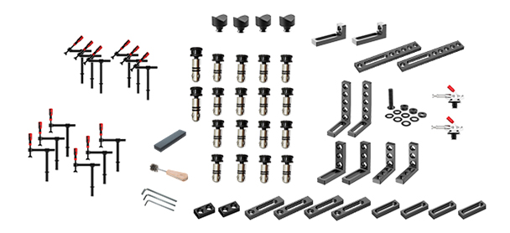
No. | Description | Spec. | Products Code | Quty. | Remarks
1 | 180°Flexible Screw Clamp | 160x200 | SWK16-51001-B1 | 6 | Plastic Handle
2 | 45°Flexible Screw Clamp | 160x200 | SWK16-52001-B1 | 6 | Plastic Handle
3 | Bolts | φ16x24 | SWK16-60001-B0 | 16
4 | Bolts | φ16x36 | SWK16-60002-B0 | 2
5 | Stops | 55x30x12 | SWK16-31001-B1 | 2
6 | Stops | 90x30x12 | SWK16-31002-B1 | 4
7 | Stops | 115x30x12 | SWK16-31003-B1 | 4
8 | Stops | 300x50x12 | SWK16-31007-B1 | 2
9 | Clamping and locating angle | 90x30x40 | SWK16-30002-B1 | 2
10 | Clamping and locating angle | 90x30x90-KK | SWK16-30003-B1 | 2
11 | Clamping and locating angle | 90x30x90-KC | SWK16-30005-B1 | 2
12 | Clamping and locating angle | 90x30x140 | SWK16-30006-B1 | 2
13 | V-block locations | φ48/130°steel | SWK16-33001-B1 | 4
14 | Toggle Clamp with round-base | SW-Y304-CM | SWK16-54002-B1 | 2 | Horizontal
15 | Spacer set | 1/2/2.5/3/4/5/10/L50+5 | SWK16-40101-B1 | 1
16 | Bench Stone | 180x60x30 | SWK16-90101-B0 | 1
17 | Ball end hex wrench | 10#、8#、6# | SWK16-90301-B0 | 1
18 | Brush | φ18x150 | SWK16-90401-B0 | 1
19 | summation |  |  | 60

Kit code:SWK16-Kits 80P
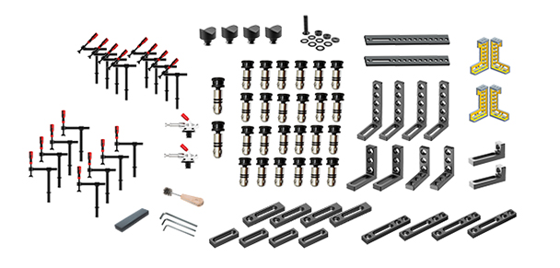
No. | Description | Spec. | Products Code | Quty. | Remarks
1 | 180°Flexible Screw Clamp | 160x200 | SWK16-51001-B1 | 8 | Plastic Handle
2 | 45°Flexible Screw Clamp | 160x200 | SWK16-52001-B1 | 8 | Plastic Handle
3 | Bolts | φ16x24 | SWK16-60001-B0 | 24
4 | Bolts | φ16x36 | SWK16-60002-B0 | 2
5 | Stops | 90x30x12 | SWK16-31002-B1 | 4
6 | Stops | 115x30x12 | SWK16-31003-B1 | 4
7 | Stops | 150x30x12 | SWK16-31004-B1 | 4
8 | Stops | 400x50x12 | SWK16-31008-B1 | 2
9 | Clamping and locating angle | 90x30x40 | SWK16-30002-B1 | 2
10 | Clamping and locating angle | 90x30x90-KK | SWK16-30003-B1 | 2
11 | Clamping and locating angle | 90x30x90-KC | SWK16-30005-B1 | 2
12 | Clamping and locating angle | 90x30x140 | SWK16-30006-B1 | 4
13 | 200 locating angle | 150x50x200-L | SWK16-22101-B1 | 2
14 | 200 locating angle | 150x50x200-R | SWK16-22102-B1 | 2
15 | V-block locations | φ48/130°steel | SWK16-33001-B1 | 4
16 | Toggle Clamp with round-base | SW-Y304-CM | SWK16-54002-B1 | 2 | Horizontal
17 | Spacer set | 1/2/2.5/3/4/5/10/L50+5 | SWK16-40101-B1 | 1
18 | Bench Stone | 180x60x30 | SWK16-90101-B0 | 1
19 | Ball end hex wrench | 10#、8#、6# | SWK16-90301-B0 | 1
20 | Brush | φ18x150 | SWK16-90401-B0 | 1
21 | summation |  |  | 80

Kit code:SWK16-Kits 112P
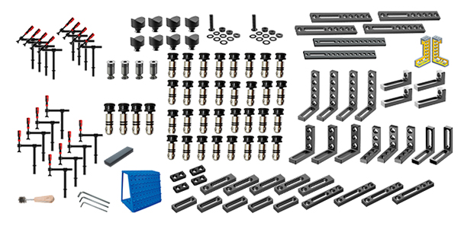
No. | Description | Spec. | Products Code | Quty. | Remarks
1 | 180°Flexible Screw Clamp | 160x200 | SWK16-51001-B1 | 8 | Plastic Handle
2 | 45°Flexible Screw Clamp | 160x200 | SWK16-52001-B1 | 8 | Plastic Handle
3 | Bolts | φ16x24 | SWK16-60001-B0 | 32
4 | Bolts | φ16x36 | SWK16-60002-B0 | 4
5 | Countersunk Bolts | φ16x24 | SWK16-60201-B1 | 4
6 | Stops | 55x30x12 | SWK16-31001-B1 | 4
7 | Stops | 90x30x12 | SWK16-31002-B1 | 5
8 | Stops | 115x30x12 | SWK16-31003-B1 | 5
9 | Stops | 150x30x12 | SWK16-31004-B1 | 4
10 | Stops | 300x50x12 | SWK16-31007-B1 | 4
11 | Stops | 400x50x12 | SWK16-31008-B1 | 2
12 | Clamping and locating angle | 90x30x40 | SWK16-30002-B1 | 4
13 | Clamping and locating angle | 90x30x90-KK | SWK16-30003-B1 | 3
14 | Clamping and locating angle | 90x30x90-CC | SWK16-30004-B1 | 2
15 | Clamping and locating angle | 90x30x90-KC | SWK16-30005-B1 | 3
16 | Clamping and locating angle | 90x30x140 | SWK16-30006-B1 | 4
17 | 200 locating angle | 150x50x200-L | SWK16-22101-B1 | 1
18 | 200 locating angle | 150x50x200-R | SWK16-22102-B1 | 1
19 | V-block locations | φ48/130°steel | SWK16-33001-B1 | 8
20 | Spacer set | 1/2/2.5/3/4/5/10/L50+5 | SWK16-40101-B1 | 2
21 | Tool Cart | 1000x600x1100 | SWK28-83001-B0 | 1
22 | Bench Stone | 180x60x30 | SWK16-90101-B0 | 1
23 | Ball end hex wrench | 10#、8#、6# | SWK16-90301-B0 | 1
24 | Brush | φ18x150 | SWK16-90401-B0 | 1
25 | summation |  |  | 112

